Sheet1
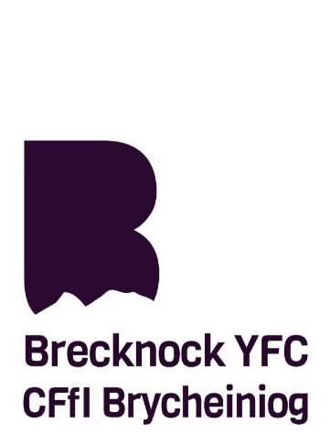
 |  | Lambs Judging - 19 years and under
 |  | Sunday 1st August 2021 @ Brecon Livestock Market

 |  |  | Placing | Accuracy of Observation | Comparison | Style | Sub Total | Penalities | TOTAL | Position

No. | CLWB / CLUB | ENW / NAME | 50 | 25 | 15 | 10 | 100 |  | 100
1a | Beulah | Iwan Davies | 46 | 16 | 10 | 4 | 76 |  | 76 | 14th
1b | Beulah | Sioned Davies | 50 | 20 | 10 | 3 | 83 |  | 83 | 10th
1c | Beulah | Cerith Davies | 46 | 24 | 13 | 9 | 92 |  | 92 | 3rd
1d | Beulah | Gwilym Jones | 46 | 10 | 5 | 3 | 64 |  | 64 | 15th
1e | Beulah | Gwawr Jones | 46 | 15 | 10 | 7 | 78 |  | 78 | 13th
3a | Builth Wells | Dani Harley | 50 | 21 | 14 | 6 | 91 |  | 91 | 4th
3b | Builth Wells | Carrie Jones | 46 | 20 | 14 | 10 | 90 |  | 90 | =5th
3c | Builth Wells | Alice Parry | 46 | 18 | 14 | 10 | 88 |  | 88 | 7th
4 | Bwlch & Crickhowell | Katie Rees | 50 | 21 | 14 | 10 | 95 |  | 95 | 1st
6 | Erwood | - | - | - | - | - | - | - | - | -
8 | Libanus | - | - | - | - | - | - | - | - | -
9 | Llandefalle | - | - | - | - | - | - | - | - | -
10 | Llanigon | - | - | - | - | - | - | - | - | -
13a | Pontfaen | Charlie Badwyn | 50 | 22 | 12 | 6 | 90 |  | 90 | =5th
13b | Pontfaen | Cerys Pugh | 50 | 22 | 11 | 4 | 87 |  | 87 | 8th
13c | Pontfaen | William Herdman | 46 | 18 | 11 | 6 | 81 |  | 81 | 11th
14a | Sennybridge | Dan Jones | - | - | - | - | - | - | - | -
14b | Sennybridge | Iwan Lewis | - | - | - | - | - | - | - | -
14c | Sennybridge | Archie Cloke | 48 | 18 | 12 | 7 | 85 |  | 85 | 9th
14d | Sennybridge | Freddie Cloke | - | - | - | - | - | - | - | -
14e | Sennybridge | Brodie Davies | - | - | - | - | - | - | - | -
16a | Trecastle | Chloe Edwards | 50 | 21 | 13 | 10 | 94 |  | 94 | 2nd
16b | Trecastle | Carys Morgan | - | - | - | - | - | - | - | -
17a | Troedrhiwdalar | Rhys Jones | 46 | 18 | 8 | 8 | 80 |  | 80 | 12th
18 | Ystradfellte | - | - | - | - | - | - | - | - | -

